C(778)
 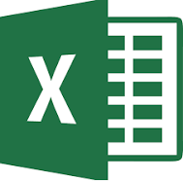 INDEX & MATCH The Full Story

INDEX MATCH in 5 minutes

 | EMT 778

 |  | Excel

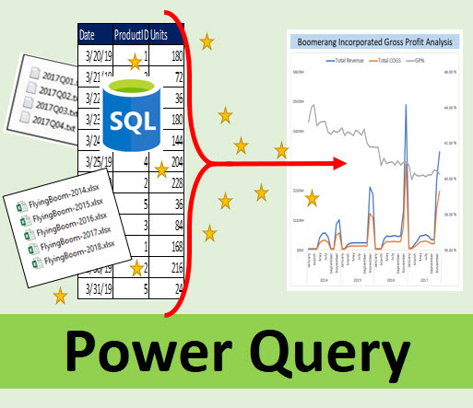



 | Power Query

